To Do List AM PM
Day/Date |  |  | 2021-01-07
 | MORNING TIME |  |  | BED TIME


 |  | NOTES

 | © 2021 - ExcelTemplate.net

Copyright
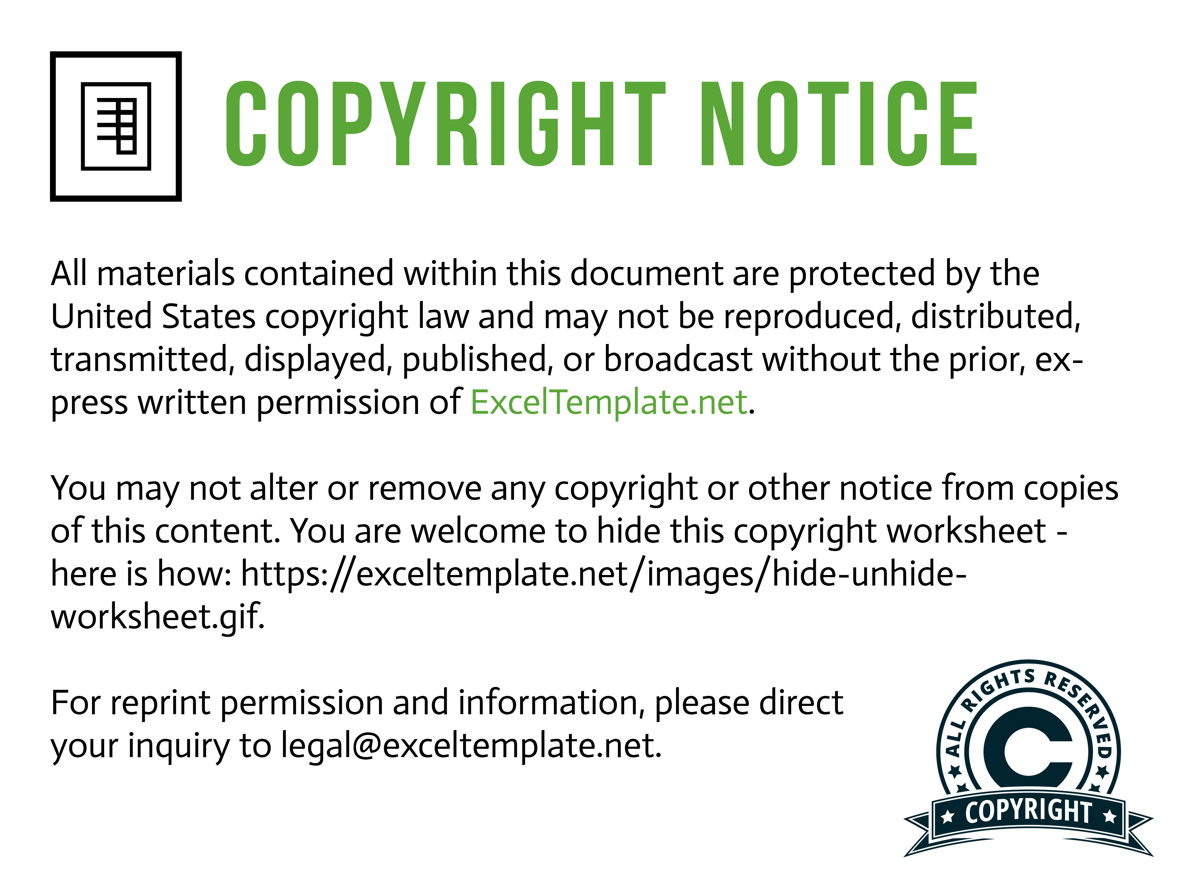

Need help? Please see this page for information:
https://exceltemplate.net/support/

